FLEXIBLES
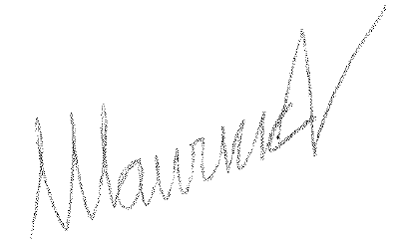
M O N T E A Z U L S P A
FLEXIBLES REFORZADOS | VALOR
1,75 x 4 | 11000
1.75 X 6 | 14000
1.75 X 8 | 14000
1,75 x 10 | 14000
1,75 x12 | 14000
2 X 4 | 10000
2 x 6 | 13000
2 X 8 | 13000
2 x10 | 13000
2,5 X 6 | 19500
2,5 X 8 | 21000
3 X 6 | 28000
3X4 | 28000
3x8 | 31000
4 X 6 | 35000
4 X 8 | 35000
FLEXIBLES REF C/CAÑO
2 X 6 | 13000
2 X 8 | 15000
2,5 X 6 | 20000

IVA INCLUIDO

